Reference
No | Screen ID | Image | Control Name | Control Type | Default Status | Default Value | Note
1 | [TRM-DMS2-S-002_ウェルカム /Welcome] |  | [Icon] | Icon | -
 |  |  | [文字] | Label | -
 |  |  | [説明文] | Label | -
 |  |  | [次へ] | Button | Enable

2 | TRM-DMS2-S-104 _<利用規約とプライバシーポリシー同意> | 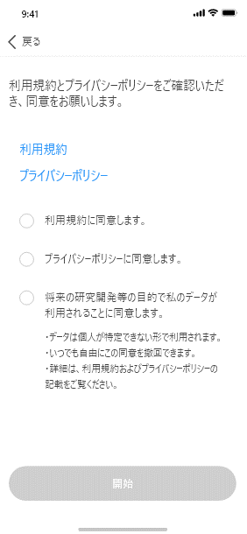 | [戻る] | Button | Enable
 |  |  | [文字] | Label | -
 |  |  | [利用規約] | Link | Enable
 |  |  | [プライバシーポリシー] | Link | Enable
 |  |  | [利用規約同意] | Checkbox | Unselected
 |  |  | [利用規約同意文字] | Label | -
 |  |  | [プライバシーポリシー同意文字] | Checkbox | Unselected
 |  |  | [プライバシーポリシー同意文字] | Label | -
 |  |  | [データが利用される] | Checkbox | Unselected
 |  |  | [データが利用される文字] | Label | -
 |  |  | [開始] | Button | Enable

3 | TRM-DMS2-S-003 _<利用規約> | 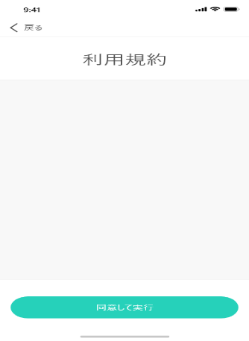 | [戻る] | Button | Enable
 |  |  | [利用規約] | Label | -
 |  |  | [利用規約内容] | Label | -
 |  |  | [同意して実行] | Button | Enable

4 | TRM-DMS2-S-004 _<プライバシーポリシー> |  | [戻る] | Button | Enable
 |  |  | [プライバシーポリシー] | Label | -
 |  |  | [プライバシーポリシー内容] | Label | -
 |  |  | [同意して実行] | Button | Enable

5 | TRM-DMS2-S-006_<アカウント登録> | 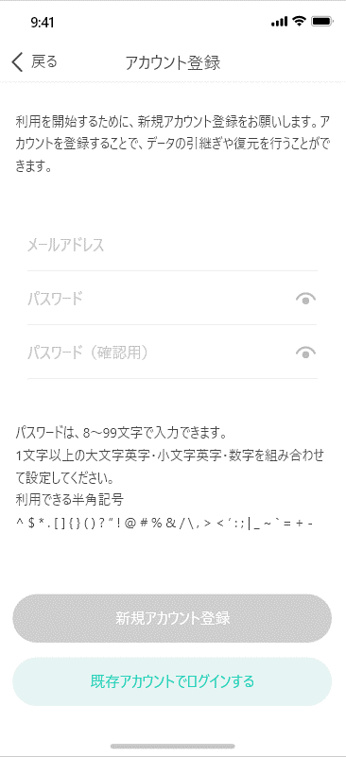 | [戻る] | Button | Enable
 |  |  | [画面名] | Label | -
 |  |  | [説明文] | Label | -
 |  |  | [メールアドレス] | Textbox | -
 |  |  | [パスワード] | Textbox | -
 |  |  | [マスクアイコン] | Icon | -
 |  |  | [パスワード（確認用）] | Textbox | -
 |  |  | [マスクアイコン] | Icon | -
 |  |  | [パスワードポリシー説明文] | Label | -
 |  |  | [新規アカウント登録] | Button | Disable
 |  |  | [既存アカウントでログインする] | Button | Enable

6 | TRM-DMS2-S-032 _<初回ログイン> | 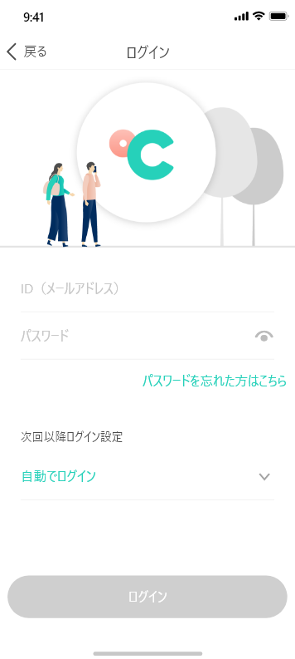 | [画面名] | Label | -
 |  |  | [アプリアイコン] | Image | -
 |  |  | [ID (メールアドレス) ] | Textbox | -
 |  |  | [パスワード] | Textbox | -
 |  |  | [マスクアイコン] | Icon | -
 |  |  | [パスワードを忘れた場合] | Link | -
 |  |  | [次回以降ログイン設定] | Label | -
 |  |  | [自動ログイン設定] | Link | -
 |  |  | [ログイン] | Button | Disable
 |  |  | [戻る] | Button | Enable

7 | [TRM-DMS2-S-007_Authen code] | 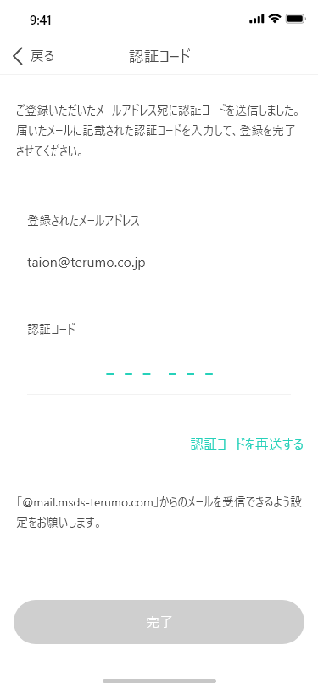 | [戻る] | Button | -
 |  |  | [画面名] | Label | -
 |  |  | [説明文] | Label | -
 |  |  | [登録されたメールアドレス] | Label | -
 |  |  | [登録したメールアドレス] | Textbox | -
 |  |  | [認証コード] | Label | -
 |  |  | [認証コード入力] | Textbox | -
 |  |  | [認証コードを再送する] | Button | -
 |  |  | 認証コード説明文 | Label | -
 |  |  | [完了] | Button | Disable
 |  |  | URL | URL

8 | TRM-DMS2-S-008_<アカウント登録_認証完了> | 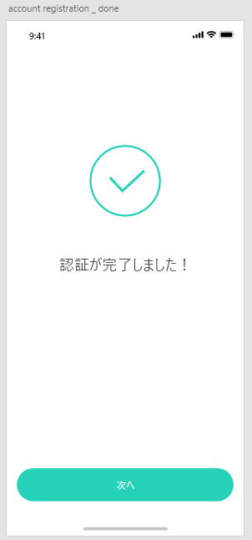 | [Icon] | Icon | -
 |  |  | [通知文] | Label | -
 |  |  | [次へ ] | Button | -

